Ranking
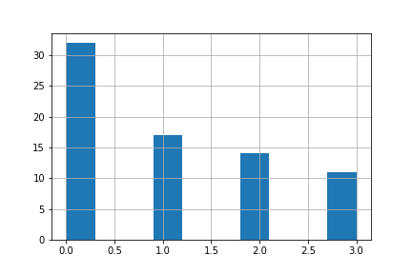
Country Code | Category
Egypt, Arab Rep. | 3
Congo, Rep. | 3
Algeria | 3
Ecuador | 3
Chad | 3
Burundi | 3
France | 3
Greece | 3
Bolivia | 3
Barbados | 3
Ethiopia | 3
Cambodia | 2
China | 2
Botswana | 2
Bosnia and Herzegovina | 2
Benin | 2
Fiji | 2
Eswatini | 2
Guinea-Bissau | 2
Czech Republic | 2
Haiti | 2
Estonia | 2
Equatorial Guinea | 2
Argentina | 2
Dominican Republic | 2
Canada | 1
Albania | 1
Croatia | 1
Finland | 1
Gambia, The | 1
Hungary | 1
Burkina Faso | 1
Honduras | 1
Angola | 1
Antigua and Barbuda | 1
Bulgaria | 1
Ghana | 1
Hong Kong SAR, China | 1
Belize | 1
Germany | 1
Bangladesh | 1
Bahrain | 1
Eritrea | 0
Georgia | 0
Guyana | 0
Guatemala | 0
Grenada | 0
El Salvador | 0
Gabon | 0
Guinea | 0
Afghanistan | 0
Dominica | 0
Brunei Darussalam | 0
Armenia | 0
Australia | 0
Austria | 0
Azerbaijan | 0
Bahamas, The | 0
Belarus | 0
Belgium | 0
Bhutan | 0
Brazil | 0
Cabo Verde | 0
Djibouti | 0
Cameroon | 0
Central African Republic | 0
Chile | 0
Colombia | 0
Comoros | 0
Costa Rica | 0
Cote d'Ivoire | 0
Cyprus | 0
Denmark | 0
Congo, Dem. Rep. | 0

